1. Title Page
[Project Name]

Project Name: Instacart Grocery Basket Analysis
Date: 06-28-2022
Analyst Name: Toomaj Foroud

Contents:
Population Flow
Consistency checks
Wrangling steps
Column derivations
Visualizations
Recommendations

Objective:
Instacart already has very good sales, but they want to uncover more information about their sales patterns. Our task is to perform an initial data and exploratory analysis of some of their data in order to derive insights and suggest strategies for better segmentation based on the provided criteria

Context:
The Instacart stakeholders are most interested in the variety of customers in their database along with their purchasing behaviors. They assume they can't target everyone using the same methods, and they’re considering a targeted marketing strategy. They want to target different customers with applicable marketing campaigns to see whether they have an effect on the sale of their products.

Source:
“The Instacart Online Grocery Shopping Dataset 2017”, Accessed from https://www.instacart.com/datasets/grocery-shopping-2017 on 06-01-2022.

2. Population Flow
Title page

Population flow

Exclusion flag
Condition: max_order <
Obervations to be removed:
Final total count of order_products_all:

Orders_products_combined
Orders_products_merged
Orders_products_all

Total: 32,404,859
Total: 32,434,489
Total: 32,404,859

1.) The grey boxes in the first row of the population flow represent the original data sets as they were when you downloaded them. In the Total fields you need to add the count of the rows when you imported the data set into Jupyter.
2.) The second row of boxes (coloured) represents the data sets after you manipulated them, e.g., removed missing values and duplicates. In the Total fields you need to add the count of the rows after conducting these operations. This offers a visual oveview of how the data flows throughout the data consistency checks.
3.) The third row, where also the arrows are coloured, represents the merges you performed between the datasets. In the Total fields you need to add the count of the rows in the merged datasets, so that you end up with the final dataset (in the red box). Keep in mind the final dataset should be without exclusions (based on the exclusion flag).

3. Consistency checks
 |  |  |  | Title page
Consistency checks

Dataset | Missing values | Missing values treatment | Duplicates
orders | "days_since_prior_order" (206,209 values) | Substitude Nun values with '0' as it was the first order day
products | "product_name" (16 values) | Created new dataframe | 5 duplicates
orders_products_prior
customers | "first_name" (11,259 values)

4. Wrangling steps
 |  |  |  | Title page
Wrangling steps

Columns dropped | Columns renamed | Columns' type changed | Comment/Reason
"eval_set" |  |  | Not needed
"add_to_cart_order" |  |  | Not needed
"reordered" |  |  | Not needed
 | "order_dow" |  | Unclear what "dow" meant
 |  | "order_id" | Ignore as numerical value
 |  | "user_id" | Ignore as numerical value
 |  | "age" | Memory problem
 |  | "number_od_dependants" | Memory problem
 |  | "income" | Memory problem
 |  | "order_number" | Memory problem
 |  | "oreder_day_of_week" | Memory problem
 |  | "order_hour_of_day" | Memory problem
 |  | "days_since_prior_order" | Memory problem
 |  | "product_id" | Memory problem
 |  | ""aisle_id" | Memory problem
 |  | "department_id" | Memory problem
 |  | "prices" | Memory problem
 |  | "max_order" | Memory problem
 |  | "order_frequency" | Memory problem
"Unnamed: 0" |  |  | Not needed
"_merge" |  |  | Not needed
 | "First_Name" |  | Made consistent names
 | "Surname" |  | Made consistent names
 | "Gender" |  | Made consistent names
 | "STATE" |  | Made consistent names
 | "n_dependants" |  | Made consistent names
 | "fam_status |  | Made consistent names
 | "Age" |  | Made consistent names
"first_name" |  |  | Contained PII
"last_name" |  |  | Contained PII

5. Column derivations
 |  |  |  | Title page

Column derivations and aggregations

In this tab you should add tables below that the frequences of flags/label variables that you produced after deriving them. NB: don't do this for continuous variables, only for flags.
Dataset | New column | Column/s it was derived from | Conditions
orders_products_merged | "price_range_loc" | "price" | df.loc[df['prices'] > 15, 'price_range_loc'] = 'High-range product' df.loc[(df['prices'] <= 15) & (df['prices'] > 5), 'price_range_loc'] = 'Mid-range product' df.loc[df['prices'] <= 5, 'price_range_loc'] = 'Low-range product'
 | "busiest_day" | "order_day_of_week" | for value in df_prods_ords_merged['order_day_of_week']:if value == 0: result.append("Busiest day") elif value == 4: result.append("Least busy") else: result.append("Regularly busy")
 | "busiest_days" | "order_day_of_week" | for value in df_prods_ords_merged['order_day_of_week']: if value in [0,1]: result2.append("Busiest days") elif value in [3,4]: result2.append("Slowest days") else: result2.append("Regularly busy")
 | "busiest_period_of_day" | "order_hour_of_day" | for value in df_prods_ords_merged['order_hour_of_day']: if value>=9 and value<=16: result3.append("Most orders") elif value<=6: result3.append("Fewest orders") else: result3.append("Average orders")
 | "max_order" | "order_number" | ords_prods_merge.groupby('user_id')['order_number'].transform(np.max)
 | "loyalty_flag" | "max_order" | ords_prods_merge.loc[ords_prods_merge['max_order']>40, 'loyalty_flag'] = 'Loyal_customer' ords_prods_merge.loc[(ords_prods_merge['max_order']>10) & (ords_prods_merge['max_order']<=40), 'loyalty_flag'] = 'Regular_customer' ords_prods_merge.loc[ords_prods_merge['max_order']<=10, 'loyalty_flag'] = 'New_customer'
 | "mean_order_price" | "price" | ords_prods_merge['mean_prder_price'] = ords_prods_merge.groupby('user_id')['prices'].transform(np.mean)
 | "spending_flag" | "mean_order_price" | ords_prods_merge.loc[ords_prods_merge['mean_prder_price']<10, 'spending_flag'] = 'Low spender' ords_prods_merge.loc[ords_prods_merge['mean_prder_price']>=10, 'spending_flag'] = 'High spender' ords_prods_merge.head(20)
 | "order_frequency" | "days_since_prior_order" | ords_prods_merge['order_frequency'] = ords_prods_merge.groupby('user_id')['days_since_prior_order'].transform(np.median)
 | "frequency_flag" | "order_frequency" | ords_prods_merge.loc[ords_prods_merge['order_frequency']> 20, 'frequency_flag'] = 'Non-frequent customer' ords_prods_merge.loc[(ords_prods_merge['order_frequency']<=20) & (ords_prods_merge['order_frequency']>10) , 'frequency_flag'] = 'Regular customer' ords_prods_merge.loc[ords_prods_merge['order_frequency']<=10, 'frequency_flag'] = 'Frequent customer'
final_merged | "region" | "state" | Northeast_region = ['Maine', 'New Hampshire', 'Vermont','Massachusetts', 'Rhode Island', 'Connecticut', 'New York', 'Pennsylvania', 'New Jersey'] Midwest_region = ['Wisconsin', 'Michigan', 'Illinois', 'Indiana','Ohio', 'North Dakota', 'South Dakota', 'Nebraska', 'Kansas', 'Minnesota', 'Iowa', 'Missouri'] South_region = ['Delaware', 'Maryland', 'District of Columbia', 'Virginia', 'West Virginia', 'North Carolina', 'South Carolina', 'Georgia', 'Florida', 'Kentucky', 'Tennessee', 'Mississippi', 'Alabama','Oklahoma', 'Texas', 'Arkansas', 'Louisiana'] West_region = ['Idaho','Montana', 'Wyoming', 'Nevada', 'Utah', 'Colorado', 'Arizona', 'New Mexico', 'Alaska', 'Washington', 'Oregon', 'California', 'Hawaii'] region = [] for st in df_merged['state']: if st in Northeast_region: region.append('Northeast_region') elif st in Midwest_region: region.append('Midwest_region') elif st in West_region: region.append('West_region') else: region.append('South_region') df_merged['region'] = region
 | "age_group" | "age" | age_group = [] for i in df_merged['age']: if (i<20) : age_group.append('<20') elif (i>=20) and (i<30): age_group.append('20-30') elif (i>=30) and (i<40): age_group.append('30-40') elif (i>=40) and (i<50): age_group.append('40-50') elif (i>=50) and (i<60): age_group.append('50-60') elif (i>=60) and (i<70): age_group.append('60-70') elif (i>=70) and (i<80): age_group.append('70-80') else: age_group.append('>80') df_merged['age_group'] = age_group
 | "income_group" | "income" | income_group = [] for i in df_merged['income']: if (i<25000) : income_group.append('<25k') elif (i>=25000) and (i<50000): income_group.append('25k-50k') elif (i>=50000) and (i<75000): income_group.append('50k-75k') elif (i>=75000) and (i<100000): income_group.append('75k-100k') elif (i>=100000) and (i<125000): income_group.append('100k-125k') elif (i>=125000) and (i<150000): income_group.append('125k-150k') elif (i>=150000) and (i<175000): income_group.append('150k-175k') elif (i>=175000) and (i<200000): income_group.append('175k-200k') else: income_group.append('>200k') df_merged['income_group'] = income_group
 | "goods_group" | "department_id" | goods_group = [] for i in df_merged['department_id']: if i == 1: goods_group.append('Frozen') elif i == 2: goods_group.append('Other') elif i == 3: goods_group.append('Bakery') elif i == 4: goods_group.append('Produce') elif i == 5: goods_group.append('Alcohol') elif i == 6: goods_group.append('International') elif i == 7: goods_group.append('Beverages') elif i == 8: goods_group.append('Pets') elif i == 9: goods_group.append('Dry goods pasta') elif i == 10: goods_group.append('Bulk') elif i == 11: goods_group.append('Personal care') elif i == 12: goods_group.append('Meat seafood') elif i == 13: goods_group.append('Pantry') elif i == 14: goods_group.append('Breakfast') elif i == 15: goods_group.append('Canned goods') elif i == 16: goods_group.append('Dairy eggs') elif i == 17: goods_group.append('Household') elif i == 18: goods_group.append('Babies') elif i == 19: goods_group.append('Snacks') elif i == 20: goods_group.append('Deli') elif i == 21: goods_group.append('Missing') df_merged['goods_group'] = goods_group

6. Visualisations
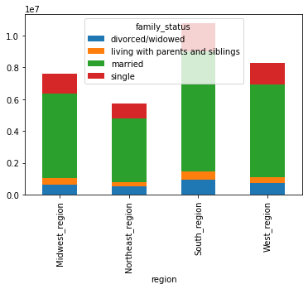
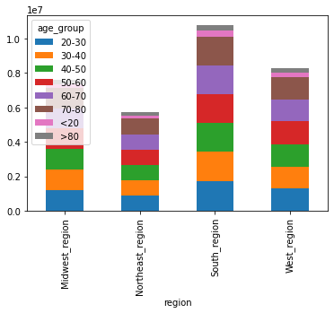
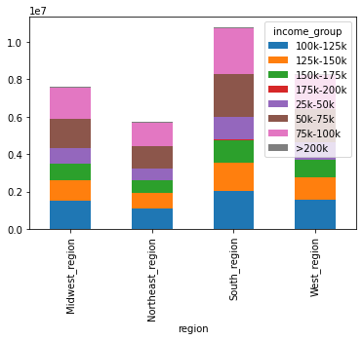
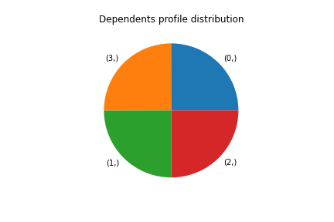
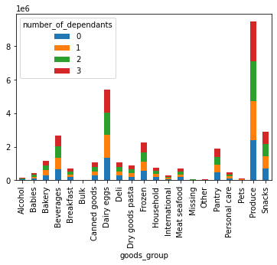
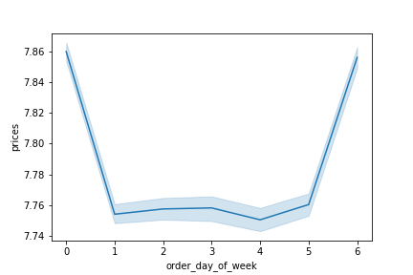
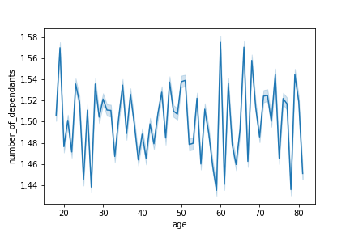
 |  |  |  |  | Title page

Visualisations

In this tab you should include all the visualtions from Exercises 4.9 and 4.10, alongside the questions from the project brief that they answer. Include any commentary on the relationship between different variables.

Key Question 1
The sales team needs to know what the busiest days of the week and hours of the day are (i.e., the days and times with the most orders) in order to schedule ads at times when there are fewer orders.

Answer: | According to this chart Saturday and Sunday are the busiest days of the week with highest order frequency. |  | According to this histogram the busiest hours of day are from 9 am to 4 pm. also between 0 to 6 am we have the least number of orders

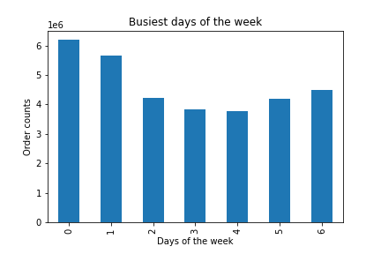
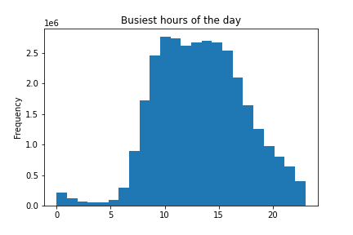

0 = Saturday, 1 = Sunday, 2 = Monday, 3 = Tuesday, 4 = Wednesday, 5 = Thursday, 6 = Friday

Key Question 2
They also want to know whether there are particular times of the day when people spend the most money, as this might inform the type of products they advertise at these times. |  |  | Answer: | By plotting lineplot for all available data, it can be concluded that most expensive products are bought during night hours between 2 am to 5 am.

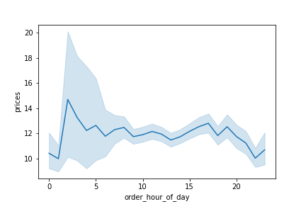

Key Question 3 |  |  | Answer: | 66 percent of all online sales are in the $6-15 range. 33 % are in the low range (less than $ 5) and only 1.1 percent are in the high range (above $ 15).
Instacart has a lot of products with different price tags. Marketing and sales want to use simpler price range groupings to help direct their efforts.

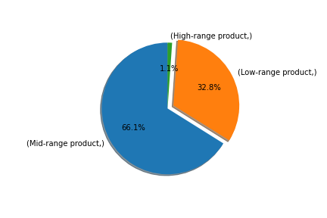

Key Question 4 |  |  | Answer: | It seems that items categorized in 'produce', 'dairy eggs' , 'snacks', 'Beverages' and 'Frozen' are the most popular products.
Are there certain types of products that are more popular than others? The marketing and sales teams want to know which departments have the highest frequency of product orders.

 |  |  |  | Instacart can focus more on these high-selling categories and perhaps cut down on those that do not perform as well.
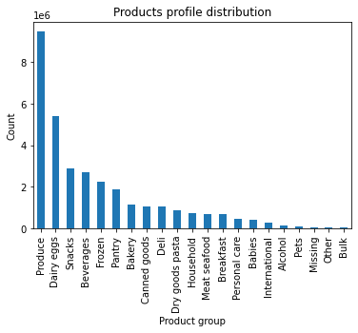

Key Question 5
What’s the distribution among users in regards to their brand loyalty (i.e., how often do they return to Instacart)?

Answer: | Based in this graph 54.5% of users are new customers with <10 orders, 8.3% are loyal customers with >40 orders and 37.3% are regular customers with 10 to 40 orders. Instacart could devise new ways on retaining existing customers, perhaps through subscriptions, discounts, and so on. |  |  | The frequency flag shows that loyal customers are all frequent customers (mean of order frequency is less than 10 days). Among regular customers also the majority are frequent customers. New customers are mostly non-frequent ones.

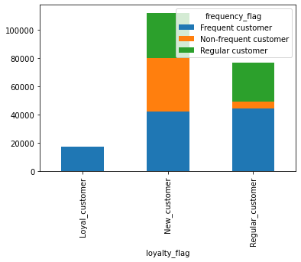
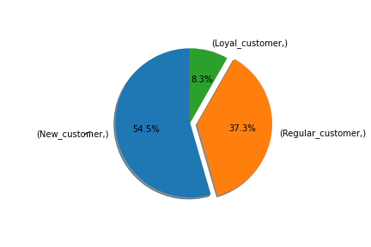
 |  |  |  |  |  |  | loyalty_flag | Frequent customer | Non-frequent customer | Regular customer
 |  |  |  |  |  |  | Loyal_customer | 17011 | 0 | 6
 |  |  |  |  |  |  | New_customer | 42210 | 38094 | 32024
 |  |  |  |  |  |  | Regular_customer | 44225 | 5185 | 27454

Key Question 6 |  |  | Answer: | These table and plot show that new customers have the highest number and percentage of high_spender, while loyal customers have the lowes number of high spenders.
Are there differences in ordering habits based on a customer’s loyalty status?
 |  |  |  |  |  |  | loyalty_flag | High spender | Low spender | % High spender | % Low spender
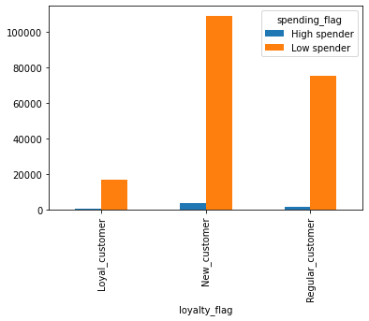
 |  |  |  |  |  |  | Loyal_customer | 373 | 16644 | 2.19 | 97.81
 |  |  |  |  |  |  | New_customer | 3372 | 108956 | 3.00 | 97.00
 |  |  |  |  |  |  | Regular_customer | 1612 | 75252 | 2.10 | 97.90

 |  |  | Answer: | According to these graphs, south region has the most customers while west and midwest regions are in the next levels. The same order is observed in spending flag as south region has the highest customers who are high spenders. We can say the same thing for frequency and loyalty as south region is in top level and west and midwest followinh it.
Key Question 7
Are there differences in ordering habits based on a customer’s region?

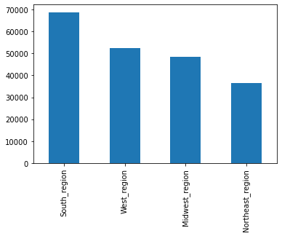
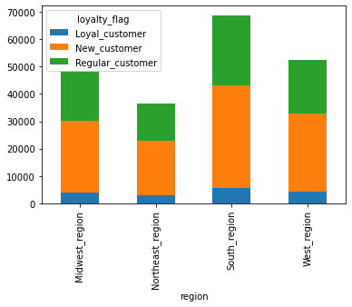

 |  |  |  |  |  | Instacart might want to build more warehouses/ distribution centers/ servers/etc. around different regions to support the customer based on the customer orders in each region.

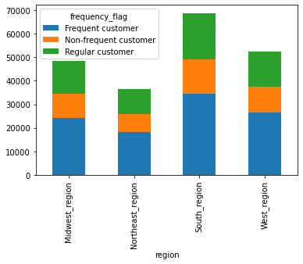
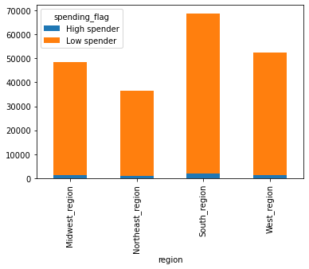

Key Question 8:
Is there a connection between age and family status in terms of ordering habits?

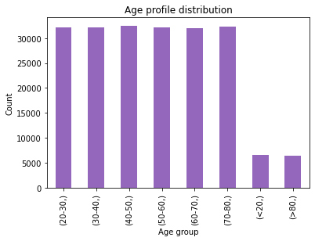
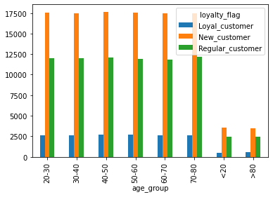

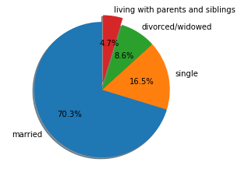

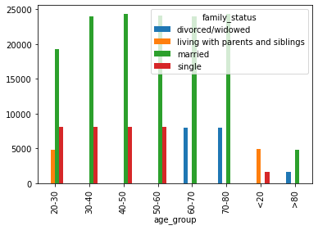
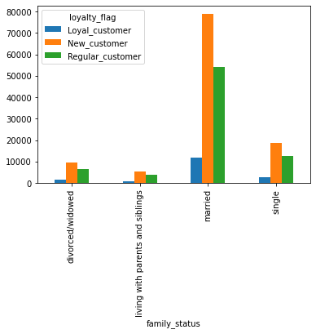

Answer: | Mostly the customers of instacart are maried people between 20 to 80 years old. Distribution of loyalty between age groups of 20 to 80 are relatively similar, so we cannot prefer any age group as more loyal groups. However among family_status, married groups are in majority. Therefore instacart company can focus mostly on married people which are mostly among 30 to 80 years old

Key Question 9:
What different classifications does the demographic information suggest? Age? Income? Certain types of goods? Family status?

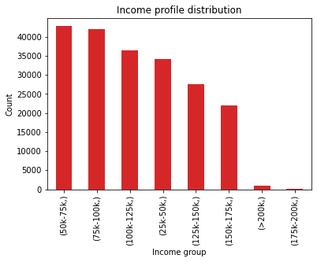

 | Answer: | According to demographic profiles the main part of Instacart customers are married people between 20 to 80 years old and income ranges from 50K to 100K $ per year. Also among the product groups it seems that 'produce', 'Dairy eggs', 'snacks' and 'Beverages' are the most popular ones. Therefore Instacart can choose the married families with average incomes for marketing compaigns and enhance the loyslty and frequency of orders among these groups of customers.

Key Question 10:
What differences can you find in ordering habits of different customer profiles? Consider the price of orders, the frequency of orders, the products customers are ordering, and anything else you can think of.

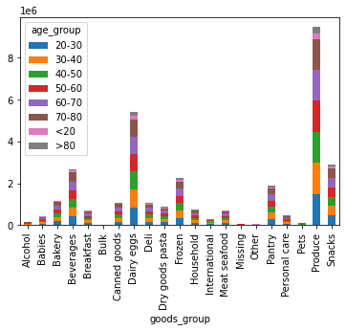
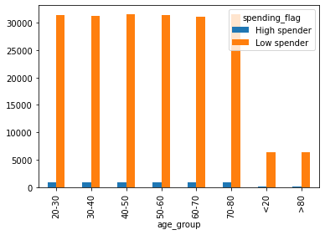
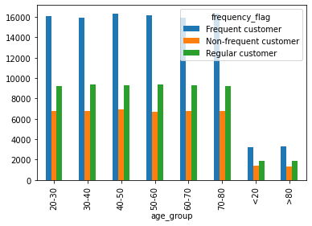

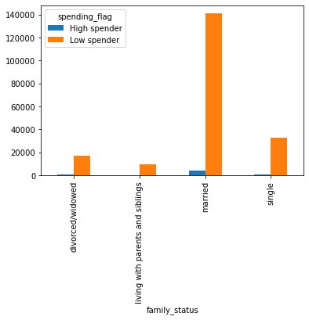
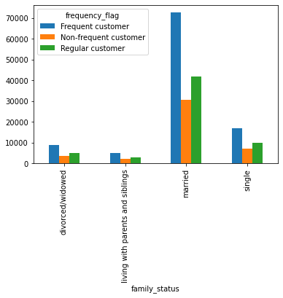
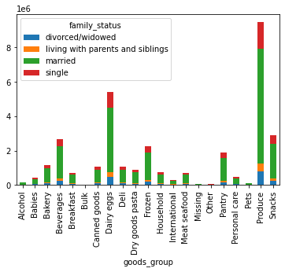

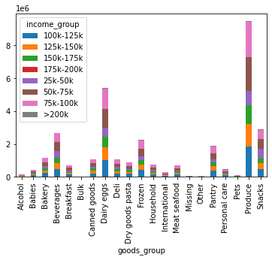

Addition plots from 4.9 and 4.10

7. Recommendations
 |  |  |  |  | Title page

Recommendations

In this tab you should include any recommendations you would made to Instcart in terms of their marketing strategy based on the questions posed in the brief. Every key question has been covered in the Tasks of the Exercises - here you need to add an item - a visualisation or table/crosstable that is showing the answer in the data, acompanied by a comment from you. Please, list the questions below and add the answer underneath.

Key Question 1
The sales team needs to know what the busiest days of the week and hours of the day are (i.e., the days and times with the most orders) in order to schedule ads at times when there are fewer orders.

Answer: | According to this chart Saturday and Sunday are the busiest days of the week with highest order frequency. |  | According to this histogram the busiest hours of day are from 9 am to 4 pm. also between 0 to 6 am we have the least number of orders

0 = Saturday, 1 = Sunday, 2 = Monday, 3 = Tuesday, 4 = Wednesday, 5 = Thursday, 6 = Friday

Key Question 2
They also want to know whether there are particular times of the day when people spend the most money, as this might inform the type of products they advertise at these times. |  |  | Answer: | By plotting lineplot for all available data, it can be concluded that most expensive products are bought during night hours between 2 am to 5 am.

Key Question 3 |  |  | Answer: | 66 percent of all online sales are in the $6-15 range. 33 % are in the low range (less than $ 5) and only 1.1 percent are in the high range (above $ 15).
Instacart has a lot of products with different price tags. Marketing and sales want to use simpler price range groupings to help direct their efforts.

Key Question 4 |  |  | Answer: | It seems that items categorized in 'produce', 'dairy eggs' , 'snacks', 'Beverages' and 'Frozen' are the most popular products.
Are there certain types of products that are more popular than others? The marketing and sales teams want to know which departments have the highest frequency of product orders.

 |  |  |  | Instacart can focus more on these high-selling categories and perhaps cut down on those that do not perform as well.

Key Question 5
What’s the distribution among users in regards to their brand loyalty (i.e., how often do they return to Instacart)?

Answer: | Based in this graph 54.5% of users are new customers with <10 orders, 8.3% are loyal customers with >40 orders and 37.3% are regular customers with 10 to 40 orders. Instacart could devise new ways on retaining existing customers, perhaps through subscriptions, discounts, and so on. |  |  | The frequency flag shows that loyal customers are all frequent customers (mean of order frequency is less than 10 days). Among regular customers also the majority are frequent customers. New customers are mostly non-frequent ones.

 |  |  |  |  |  |  | loyalty_flag | Frequent customer | Non-frequent customer | Regular customer
 |  |  |  |  |  |  | Loyal_customer | 17011 | 0 | 6
 |  |  |  |  |  |  | New_customer | 42210 | 38094 | 32024
 |  |  |  |  |  |  | Regular_customer | 44225 | 5185 | 27454

Key Question 6 |  |  | Answer: | These table and plot show that new customers have the highest number and percentage of high_spender, while loyal customers have the lowes number of high spenders.
Are there differences in ordering habits based on a customer’s loyalty status?
 |  |  |  |  |  |  | loyalty_flag | High spender | Low spender | % High spender | % Low spender
 |  |  |  |  |  |  | Loyal_customer | 373 | 16644 | 2.19 | 97.81
 |  |  |  |  |  |  | New_customer | 3372 | 108956 | 3.00 | 97.00
 |  |  |  |  |  |  | Regular_customer | 1612 | 75252 | 2.10 | 97.90

 |  |  | Answer: | According to these graphs, south region has the most customers while west and midwest regions are in the next levels. The same order is observed in spending flag as south region has the highest customers who are high spenders. We can say the same thing for frequency and loyalty as south region is in top level and west and midwest followinh it.
Key Question 7
Are there differences in ordering habits based on a customer’s region?

 |  |  |  |  |  | Instacart might want to build more warehouses/ distribution centers/ servers/etc. around different regions to support the customer based on the customer orders in each region.

Key Question 8:
Is there a connection between age and family status in terms of ordering habits?

Answer: | Mostly the customers of instacart are maried people between 20 to 80 years old. Distribution of loyalty between age groups of 20 to 80 are relatively similar, so we cannot prefer any age group as more loyal groups. However among family_status, married groups are in majority. Therefore instacart company can focus mostly on married people which are mostly among 30 to 80 years old

Key Question 9:
What different classifications does the demographic information suggest? Age? Income? Certain types of goods? Family status?

 | Answer: | According to demographic profiles the main part of Instacart customers are married people between 20 to 80 years old and income ranges from 50K to 100K $ per year. Also among the product groups it seems that 'produce', 'Dairy eggs', 'snacks' and 'Beverages' are the most popular ones. Therefore Instacart can choose the married families with average incomes for marketing compaigns and enhance the loyslty and frequency of orders among these groups of customers.

Key Question 10:
What differences can you find in ordering habits of different customer profiles? Consider the price of orders, the frequency of orders, the products customers are ordering, and anything else you can think of.

 | Answers and recommendations:
 | Based on ordering behaviours of different customer profiles we can summerize following results and recommendations:

 | 1 - Instacart customers are between 18 and 81 years old. The distribution of different order behaviour like frequency, spending and loyalty are divided equally between all 10 years age groups from 20 to 80. Therefore separating customers based on age cannot help instacart marketting campaigns

 | 2 - Among family status 'married' ones are the big majority of instacart customers and they have relatively similar patterns in all ordering behaviours. As a result, providing goods for married people and targeting them for marketting and advertisements can be helpful to enhance the business.

 | 3 - Considering income, people with average to high-average incomes (500k to 100k)$ are most likely use instacart services. Therefore, searching for popular products and goods within this social-income class can help business department to selct wisely the products they offer in each department.

 | 4- By geographical regions, instacart is more popular and successful in south regions. So they can decide to extend their facilities and infrastructures in this region and invest to advertising and introducing their services mostly in northwest region where has the lowest number of customers.

 | 5- Finally when we focus on different departments of Instacart, we can realize that some specific ones like 'Produces', 'Diary eggs', 'snacks' , 'beverages' and 'Frozen' received more attentions while the departments like 'Bulks', 'Pets' or 'Alkohol' have the lowest number of products and orders. It will suggested to focus providing more goods in successful departments and have some investigations to realize the reason of low performance of weak departments

